SPANISH LATTE
 | SPANISH LATTE
 | 16OZ | MIX MILK | 1 BATCH
BREWED COFFEE | 80ML | CONDENSE | 100ML
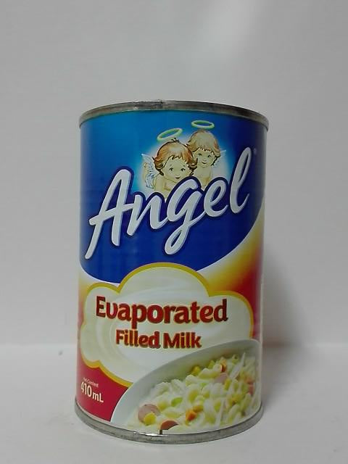
MIX MILK | 120ML | EVAP | 100ML
FULL CUP OF ICE | -

BEVERAGES
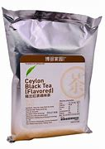
BEVERAGES |  |  | BREWED BLACK TEA
 | ICETEA |  | BLACKTEA POWDER 30G
 |  |  | HOT WATER 1400ML
 |  |  | (SHELFLIFE 4HRS) LOST THE FLAVOUR

 | BREWED BLACK TEA | 1 batch
 | SUGAR SYRUP | 600G
 | SUNQUICK LEMON | 40G
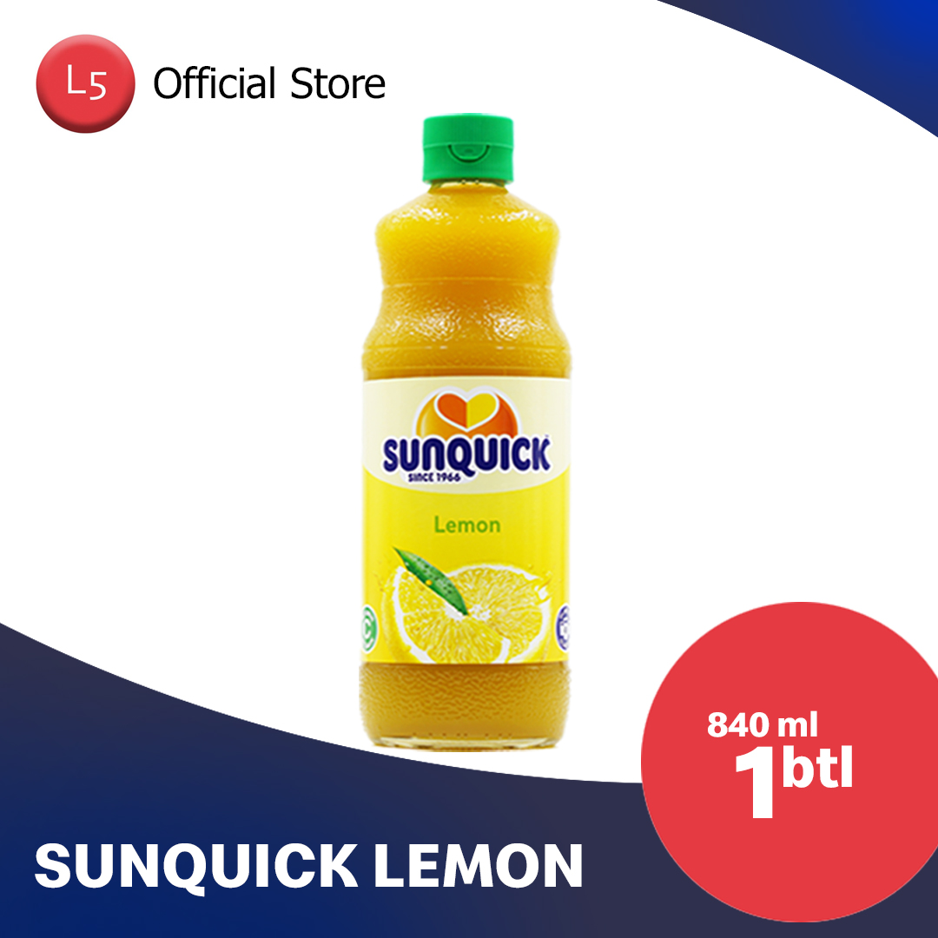
 |  |  |  | 1000
 |  |  |  | 30
 |  |  |  | 33.333333333
 |  |  |  | 33.333333333
 | 1200 |  |  | 21.428571429
 | 600
 | 40
 | 1840

 | 27600

